Table 1

Selected Acquisition Report (SAR)
RCS: DD-A&T(Q&A)823-373
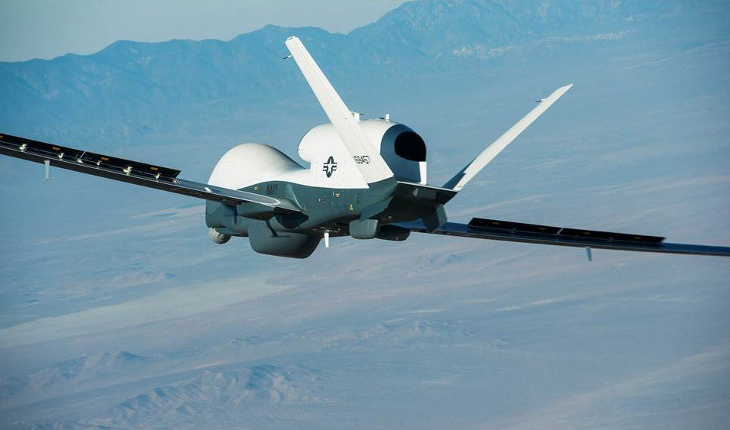
MQ-4C Triton Unmanned Aircraft System (MQ-4C Triton)
As of FY 2017 President's Budget
Defense Acquisition Management Information Retrieval
(DAMIR)

Table 9
Schedule
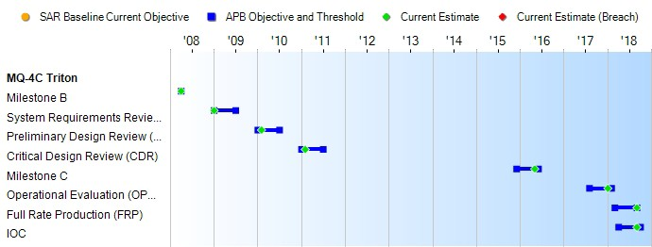
(Ch-1)
(Ch-1)
(Ch-1)
(Ch-1)
Schedule Events
Events | SAR Baseline Development Estimate | Current APB Development Objective/Threshold |  | Current Estimate
Milestone B | Apr 2008 | Apr 2008 | Apr 2008 | Apr 2008
System Requirements Review (SRR) | Jan 2009 | Jan 2009 | Jul 2009 | Jan 2009
Preliminary Design Review (PDR) | Jan 2010 | Jan 2010 | Jul 2010 | Feb 2010
Critical Design Review (CDR) | Jan 2011 | Jan 2011 | Jul 2011 | Feb 2011
Milestone C | May 2013 | Dec 2015 | Jun 2016 | May 2016
Operational Evaluation (OPEVAL) Start | Jan 2015 | Aug 2017 | Feb 2018 | Jan 2018
Full Rate Production (FRP) | Dec 2015 | Mar 2018 | Sep 2018 | Sep 2018
IOC | Dec 2015 | Apr 2018 | Oct 2018 | Sep 2018
Change Explanations
(Ch-1) The current estimate updates for Milestone C, OPEVAL, FRP, and IOC are a reflection of adjustments made to align with the latest program profile: Milestone C updated from December 2015 to May 2016, OPEVAL updated from August 2017 to January 2018, FRP updated from March 2018 to September 2018, and IOC updated from April 2018 to September 2018.

Table 27
Unit Cost History
Item |  |  |  |  |  | Date |  |  | BY 2008 $M |  |  |  |  |  | TY $M
 |  |  |  |  |  |  |  |  | PAUC |  | APUC |  |  |  | PAUC |  |  | APUC

Original APB |  |  | Feb 2009 |  |  |  |  |  | 174.636 |  |  |  | 136.480 |  |  | 216.747 |  |  | 177.317
APB as of January 2006 |  |  | N/A |  |  |  |  |  | N/A |  |  |  | N/A |  |  | N/A |  |  | N/A
Revised Original APB |  |  | N/A |  |  |  |  |  | N/A |  |  |  | N/A |  |  | N/A |  |  | N/A
Prior APB |  |  | Jan 2012 |  |  |  |  |  | 174.636 |  |  |  | 136.480 |  |  | 216.747 |  |  | 177.317
Current APB |  |  | Jul 2014 |  |  |  |  |  | 163.849 |  |  |  | 114.998 |  |  | 207.763 |  |  | 156.288
Prior Annual SAR |  |  | Dec 2014 |  |  |  |  |  | 162.361 |  |  |  | 115.080 |  |  | 204.693 |  |  | 155.253
Current Estimate |  |  | Dec 2015 |  |  |  |  |  | 164.451 |  |  |  | 116.074 |  |  | 206.210 |  |  | 155.564
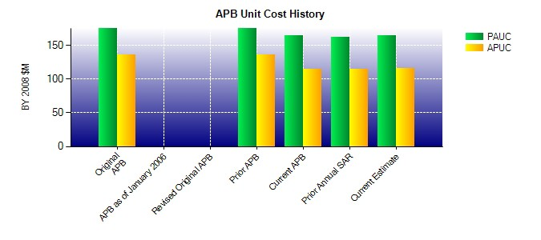
SAR Unit Cost History
Current SAR Baseline to Current Estimate (TY $M)
Initial PAUC Development Estimate | Changes |  |  |  |  |  |  |  |  |  |  |  |  |  |  |  | PAUC Current Estimate
 | Econ | Qty |  | Sch |  |  | Eng | Est |  | Oth |  | Spt |  | Total
216.747 -7.233 1.732 19.107 -0.407 3.004 0.000 -26.740 -10.537 206.210
Current SAR Baseline to Current Estimate (TY $M)
Initial APUC Development Estimate | Changes |  |  |  |  |  |  |  |  |  |  |  |  |  |  |  | APUC Current Estimate
 | Econ | Qty |  |  | Sch |  | Eng | Est |  | Oth |  | Spt |  | Total
177.317 -6.618 -0.850 20.265 0.000 -5.680 0.000 -28.870 -21.753 155.564

